Adidas PW HU Pant
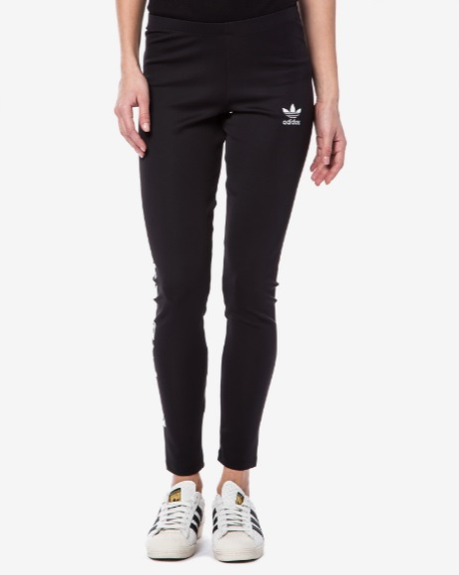
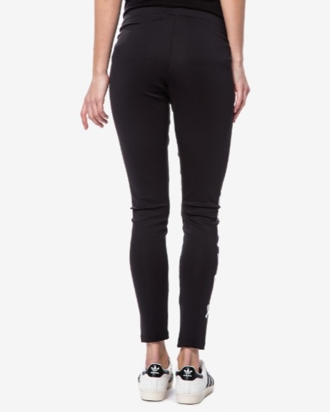
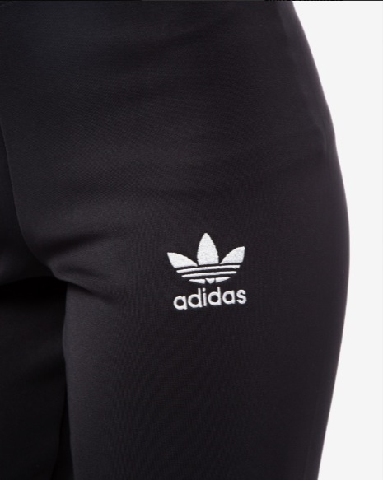
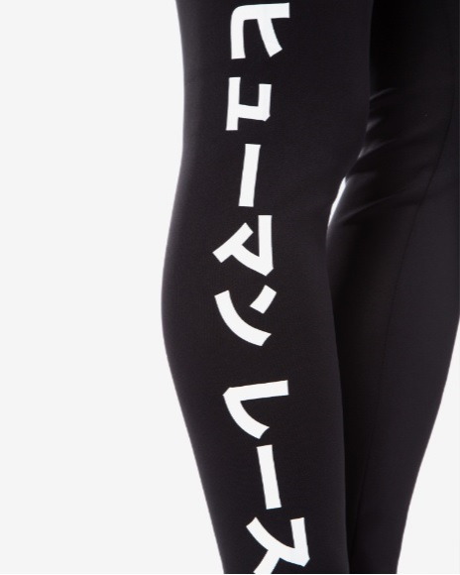
Image | Product | Description | EU Size | Size | Brand | Type | Qty
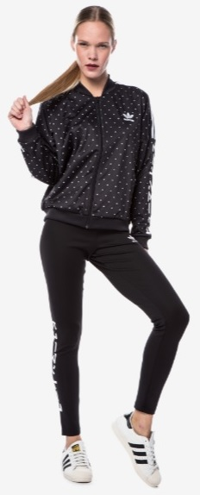 | BR1846 | PW HU LEGGINGS |  |  | adidas PW HU Pant | Fitness and gym pants | 1553
 | BR1846 | PW HU LEGGINGS - 2 - Black | 28 | XXS | adidas PW HU Pant | Fitness and gym pants | 1
 | BR1846 | PW HU LEGGINGS - 4 - Black | 30 | XS | adidas PW HU Pant | Fitness and gym pants | 28
 | BR1846 | PW HU LEGGINGS - 6 - Black | 32 |  | adidas PW HU Pant | Fitness and gym pants | 264
 | BR1846 | PW HU LEGGINGS - 8 - Black | 34 | S | adidas PW HU Pant | Fitness and gym pants | 138
 | BR1846 | PW HU LEGGINGS - 10 - Black | 36 |  | adidas PW HU Pant | Fitness and gym pants | 398
 | BR1846 | PW HU LEGGINGS - 12 - Black | 38 | M | adidas PW HU Pant | Fitness and gym pants | 124
 | BR1846 | PW HU LEGGINGS - 14 - Black | 40 |  | adidas PW HU Pant | Fitness and gym pants | 197
 | BR1846 | PW HU LEGGINGS - 16 - Black | 42 | L | adidas PW HU Pant | Fitness and gym pants | 13
 | BR1846 | PW HU LEGGINGS - 18 - Black | 44 |  | adidas PW HU Pant | Fitness and gym pants | 341
 | BR1846 | PW HU LEGGINGS - 20 - Black | 46 | XL | adidas PW HU Pant | Fitness and gym pants | 0
 | BR1846 | PW HU LEGGINGS - 22 - Black | 48 |  | adidas PW HU Pant | Fitness and gym pants | 49
 |  |  |  |  |  |  | 3106

